Sheet1
 |  | Topline Golf Shoes

PICTURES | REFERENCE | Color | Size

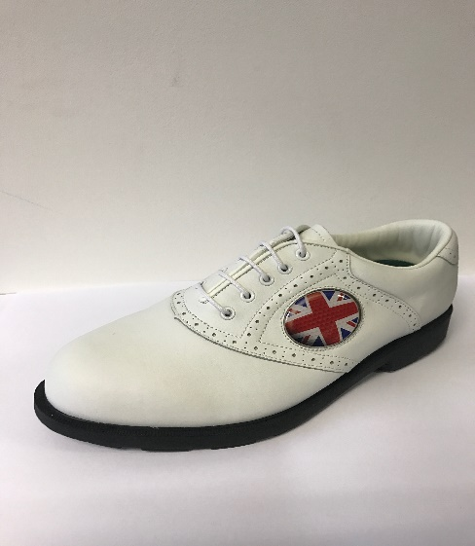

 | TOP LINE | WHITE/WHITE | 7 | 7.5 | 8 | 8.5 | 9 | 9.5 | 10 | 10.5 | 11 | 11.5
 |  |  | 12 | 37 | 30 | 72 | 252 | 293 | 198 | 210 | 24 | 17 |  | 1145

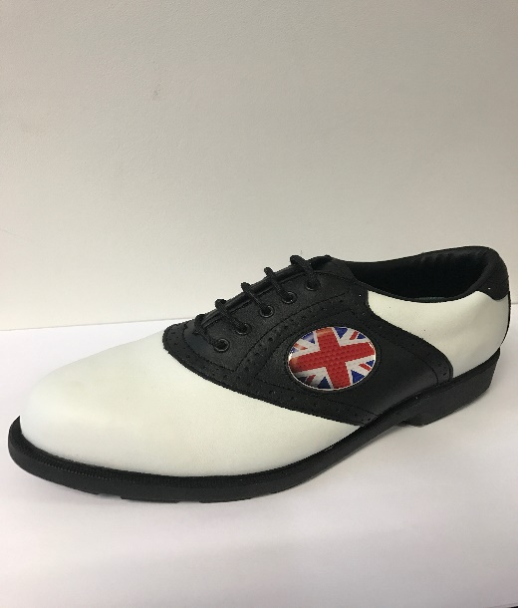

 |  |  | 7 | 7.5 | 8 | 8.5 | 9 | 9.5 | 10 | 10.5 | 11 | 11.5 | 13
 | TOP LINE | WHITE/BLACK | 210 | 211 | 216 | 276 | 324 | 319 | 131 | 104 | 36 | 24 | 18 | 1869

 |  |  |  |  |  |  |  |  |  |  |  |  |  | 3014

